Dashboard
Merchant Intelligence Dashboard by Moamenz

 | Total Sales |  | Net Amount | Orders |  |  |  | Customers
 | 12,836.00 SAR |  | 7,811.83 SAR | 481 |  |  |  | 87

 | AOV |  | Repeat Rate | Top 10 Share |  |  |  | Avg Frequency
 | 26.69 SAR |  | 68.00% | 56.00% |  |  |  | 5.53

 | Net Income |  | Bank Commission | Cashback Used (Info) |  |  |  | Net AOV
 | 7,811.83 SAR |  | 115.57 SAR | 4,908.60 SAR |  |  |  | 16.24 SAR

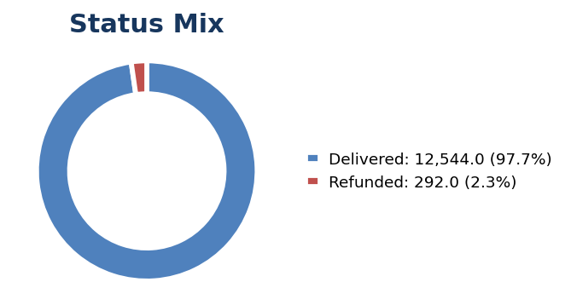
 | Status & Balance |  |  | Branch Performance
 | Status | Amount |  | Branch | Orders | Cash Revenue | Cashback Used | Net Income | Bank Commission | Net Net Income | Refund Rate | Branch Score
 | Delivered | 12,544.00 |  | Barcode Muhamdyah | 300 | 4,470.50 | 3,008.50 | 4,425.80 | 44.70 | 4,425.80 | 2.00% | 94.70
 | Cancelled | 0.00 |  | Barcode Al-Salam | 169 | 3,041.40 | 1,612.60 | 3,010.99 | 30.41 | 3,010.99 | 6.51% | 61.31
 | Refunded | 292.00 |  | Barcode Al-Khobar | 12 | 415.50 | 287.50 | 407.19 | 8.31 | 407.19 | 8.33% | 6.53
 | Cash Revenue | 7,927.40
 | Bank Commission | 115.57
 | Net Amount | 7,811.83
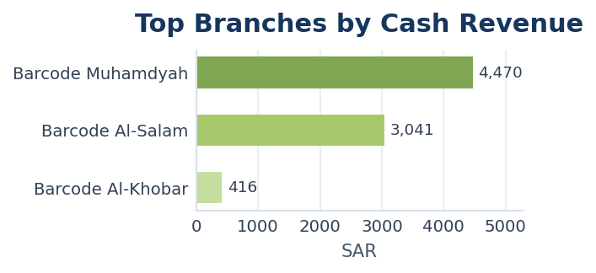
 |  |  |  | Daily Trend
 |  |  |  | Day | Orders | Cash Revenue
 |  |  |  | 2026-04-11 | 19 | 305.00
 |  |  |  | 2026-04-12 | 15 | 241.00
 |  |  |  | 2026-04-13 | 15 | 214.00
 |  |  |  | 2026-04-14 | 10 | 163.00
 |  |  |  | 2026-04-15 | 16 | 288.00
 |  |  |  | 2026-04-16 | 16 | 189.00
 |  |  |  | 2026-04-17 | 14 | 259.00
 |  |  |  | 2026-04-18 | 21 | 399.00
 |  |  |  | 2026-04-19 | 23 | 317.00
 |  |  |  | 2026-04-20 | 11 | 242.50
 |  |  |  | 2026-04-21 | 25 | 326.90
 |  |  |  | 2026-04-22 | 37 | 510.10
 |  |  |  | 2026-04-23 | 28 | 364.50
 |  |  |  | 2026-04-24 | 15 | 270.70
 |  |  |  | 2026-04-25 | 24 | 411.00
 |  |  |  | 2026-04-26 | 15 | 212.50
 |  |  |  | 2026-04-27 | 30 | 491.40
 | Hourly Sales |  |  | 2026-04-28 | 32 | 335.30
 | Hour | Cash Revenue |  | 2026-04-29 | 25 | 336.50
 | 00:00 | 78.50 |  | 2026-04-30 | 32 | 743.00
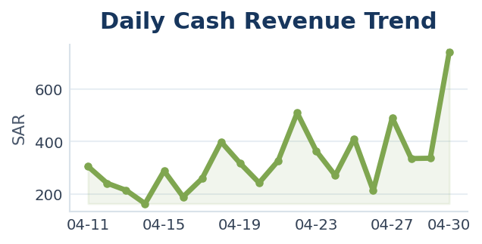
 | 01:00 | 6.50
 | 06:00 | 137.00
 | 07:00 | 471.10
 | 08:00 | 656.50
 | 09:00 | 536.00
 | 10:00 | 614.80
 | 11:00 | 761.50
 | 12:00 | 848.80
 | 13:00 | 364.50
 | 14:00 | 315.00
 | 15:00 | 178.20
 | 16:00 | 428.50
 | 17:00 | 493.20
 | 18:00 | 606.40
 | 19:00 | 474.90
 | 20:00 | 454.00
 | 21:00 | 246.50
 | 22:00 | 133.50
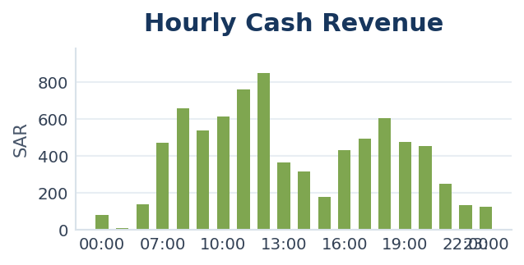
 | 23:00 | 122.00

Barcode Al-Khobar - Results
Branch Balance and Analytics - Barcode Al-Khobar

 | Cash / Bank Sales |  |  |  | Bank Commission |  |  |  | Net Income
 | 415.50 SAR |  |  |  | 4.28 SAR |  |  |  | 128.00 SAR

 | Orders |  |  |  | Customers |  |  |  | Cashback Used
 | 12 |  |  |  | 8 |  |  |  | 287.50 SAR

 | Net Net Income
 | 123.72 SAR

 | Branch Balance |  |  |  | Top Branch Customers - CLV |  |  |  |  |  |  |  | Top Branch Customers - Cashback
 | Metric | Value |  |  | Customer | Orders | Cash_Sales | Bank_Commission | Net_Income | Net_Net_Income | Net_Revenue | Cashback_Used | Customer | Orders | Cash_Sales | Bank_Commission | Net_Income | Net_Net_Income | Net_Revenue | Cashback_Used | Avg_Order
 | Cash / Bank Delivered Sales | 415.50 |  |  | Mohammed Adel Almulhem | 4 | 215.50 | 2.16 | 213.34 | 213.34 | 213.34 | 157.50 | Mohammed Adel Almulhem | 4.00 | 215.50 | 2.16 | 213.34 | 213.34 | 213.34 | 157.50 | 53.88
 | Cancelled Cash | 0.00 |  |  | Customer 1363 | 2 | 79.00 | 0.79 | 78.21 | 78.21 | 78.21 | 79.00 | Customer 1363 | 2.00 | 79.00 | 0.79 | 78.21 | 78.21 | 78.21 | 79.00 | 39.50
 | Refunded Cash | 8.00 |  |  | Abdullah Almulhim | 1 | 70.00 | 0.70 | 69.3 | 69.3 | 69.30 | 0.00 | Customer 8705 | 1.00 | 13.00 | 0.13 | 12.87 | 12.87 | 12.87 | 13.00 | 13.00
 | Bank Commission | 4.28 |  |  | Customer 8705 | 1 | 13.00 | 0.13 | 12.87 | 12.87 | 12.87 | 13.00 | Customer 2187 | 1.00 | 12.00 | 0.24 | 11.76 | 11.76 | 11.76 | 12.00 | 12.00
 | Net Amount | 128.00 |  |  | Customer 2187 | 1 | 12.00 | 0.24 | 11.76 | 11.76 | 11.76 | 12.00 | abdulrazzaq moayed | 1.00 | 9.00 | 0.09 | 8.91 | 8.91 | 8.91 | 9.00 | 9.00
 | Bank Commission | 4.28 |  |  | abdulrazzaq moayed | 1 | 9.00 | 0.09 | 8.91 | 8.91 | 8.91 | 9.00 | Customer 0227 | 1.00 | 9.00 | 0.09 | 8.91 | 8.91 | 8.91 | 9.00 | 9.00
 | Net Amount | 123.72 |  |  | Customer 0227 | 1 | 9.00 | 0.09 | 8.91 | 8.91 | 8.91 | 9.00 | Customer 6532 | 1.00 | 8.00 | 0.08 | 7.92 | 7.92 | 7.92 | 8.00 | 8.00
 | Cashback Used | 287.50 |  |  | Customer 6532 | 1 | 8.00 | 0.08 | 7.92 | 7.92 | 7.92 | 8.00 | Abdullah Almulhim | 1.00 | 70.00 | 0.70 | 69.3 | 69.3 | 69.30 | 0.00 | 70.00
 | Orders | 12.00
 | Customers | 8.00
 | AOV Cash Based | 34.62

 | Top Branch Products |  |  |  |  |  |  |  | Branch Hourly Movement
 | Product | Orders | Cash_Revenue | Bank_Commission | Net_Income | Net_Net_Income | Net_Revenue | Cashback_Used | Hour | Orders | Cash Revenue | Bank_Commission | Net_Revenue | Cashback_Used
 | V60 - Yemeni Haraz | Cold | 4 | 82.50 | 0.83 | 81.68 | 81.68 | 81.68 | 24.00 | 07:00 | 1 | 12.00 | 0.24 | 11.76 | 12.00
 | Espresso | 3 | 45.83 | 0.46 | 45.38 | 45.38 | 45.38 | 28.33 | 08:00 | 1 | 9.00 | 0.09 | 8.91 | 9.00
 | Coffee Sachets | Mexico Finca | 1 | 37.50 | 0.38 | 37.12 | 37.12 | 37.12 | 37.50 | 09:00 | 1 | 120.00 | 1.20 | 118.80 | 120.00
 | Cold Brew | 1 | 24.00 | 0.24 | 23.76 | 23.76 | 23.76 | 24.00 | 10:00 | 3 | 116.50 | 1.17 | 115.33 | 116.50
 | Cortado | 1 | 24.00 | 0.24 | 23.76 | 23.76 | 23.76 | 24.00 | 11:00 | 3 | 87.00 | 0.87 | 86.13 | 17.00
 | Cold Brew Cherry | Limited | 1 | 24.00 | 0.24 | 23.76 | 23.76 | 23.76 | 24.00 | 15:00 | 1 | 24.00 | 0.24 | 23.76 | 0.00
 | Chocobai | 1 | 17.50 | 0.18 | 17.33 | 17.33 | 17.33 | 0.00 | 16:00 | 1 | 34.00 | 0.34 | 33.66 | 0.00
 | Turkey cheese | 1 | 17.50 | 0.18 | 17.33 | 17.33 | 17.33 | 0.00 | 17:00 | 1 | 13.00 | 0.13 | 12.87 | 13.00
 | Coffee of The Day | 1 | 17.00 | 0.17 | 16.83 | 16.83 | 16.83 | 0.00
 | Sourdough Turkey cheese | 1 | 12.00 | 0.24 | 11.76 | 11.76 | 11.76 | 12.00
 | Spicy tuna | 1 | 10.50 | 0.11 | 10.40 | 10.40 | 10.40 | 10.50
 | Zaatar Croissant | 1 | 10.50 | 0.11 | 10.40 | 10.40 | 10.40 | 10.50
 | Hallom | 1 | 10.50 | 0.11 | 10.40 | 10.40 | 10.40 | 10.50
 | Flat white | 1 | 10.50 | 0.11 | 10.40 | 10.40 | 10.40 | 10.50
 | Caramelized pecan | 1 | 9.25 | 0.09 | 9.16 | 9.16 | 9.16 | 9.25

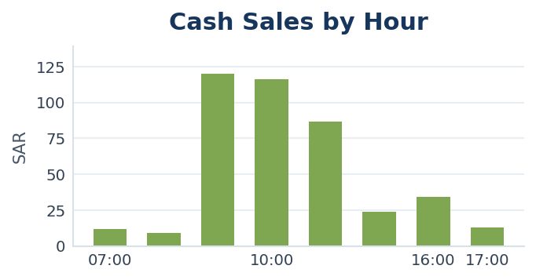

Barcode Al-Salam - Results
Branch Balance and Analytics - Barcode Al-Salam

 | Cash / Bank Sales |  |  |  | Bank Commission |  |  |  | Net Income
 | 3,041.40 SAR |  |  |  | 45.39 SAR |  |  |  | 1,428.80 SAR

 | Orders |  |  |  | Customers |  |  |  | Cashback Used
 | 169 |  |  |  | 36 |  |  |  | 1,612.60 SAR

 | Net Net Income
 | 1,383.41 SAR

 | Branch Balance |  |  |  | Top Branch Customers - CLV |  |  |  |  |  |  |  | Top Branch Customers - Cashback
 | Metric | Value |  |  | Customer | Orders | Cash_Sales | Bank_Commission | Net_Income | Net_Net_Income | Net_Revenue | Cashback_Used | Customer | Orders | Cash_Sales | Bank_Commission | Net_Income | Net_Net_Income | Net_Revenue | Cashback_Used | Avg_Order
 | Cash / Bank Delivered Sales | 3,041.40 |  |  | Customer 5591 | 37 | 727.90 | 9.69 | 718.21 | 718.21 | 718.21 | 320.10 | abdulrazzaq moayed | 25.00 | 328.00 | 3.93 | 324.07 | 324.07 | 324.07 | 328.00 | 13.12
 | Cancelled Cash | 0.00 |  |  | Adel Almulhem | 18 | 522.00 | 10.21 | 511.79 | 511.79 | 511.79 | 0.00 | Customer 5591 | 37.00 | 727.90 | 9.69 | 718.21 | 718.21 | 718.21 | 320.10 | 19.67
 | Refunded Cash | 91.90 |  |  | abdulrazzaq moayed | 25 | 328.00 | 3.93 | 324.07 | 324.07 | 324.07 | 328.00 | ‏Yousef Almulhem | 9.00 | 306.50 | 6.03 | 300.47 | 300.47 | 300.47 | 235.50 | 34.06
 | Bank Commission | 45.39 |  |  | ‏Yousef Almulhem | 9 | 306.50 | 6.03 | 300.47 | 300.47 | 300.47 | 235.50 | Fatimah Mohammed | 16.00 | 154.00 | 1.72 | 152.28 | 152.28 | 152.28 | 154.00 | 9.63
 | Net Amount | 1,428.80 |  |  | Fatimah Mohammed | 16 | 154.00 | 1.72 | 152.28 | 152.28 | 152.28 | 154.00 | Moamen Fawzi | 13.00 | 98.00 | 1.78 | 96.22 | 96.22 | 96.22 | 92.00 | 7.54
 | Bank Commission | 45.39 |  |  | Customer 1111 | 6 | 136.00 | 2.32 | 133.68 | 133.68 | 133.68 | 0.00 | Haifa Ahmad | 1.00 | 59.50 | 0.59 | 58.91 | 58.91 | 58.91 | 59.50 | 59.50
 | Net Amount | 1,383.41 |  |  | Moamen Fawzi | 13 | 98.00 | 1.78 | 96.22 | 96.22 | 96.22 | 92.00 | Customer 2216 | 2.00 | 58.00 | 1.16 | 56.84 | 56.84 | 56.84 | 58.00 | 29.00
 | Cashback Used | 1,612.60 |  |  | Mohammed Adel Almulhem | 5 | 96.50 | 0.97 | 95.53 | 95.53 | 95.53 | 18.50 | Fajr Ali | 1.00 | 50.00 | 1.00 | 49 | 49 | 49.00 | 50.00 | 50.00
 | Orders | 169.00 |  |  | محمد العيد | 4 | 74.00 | 0.86 | 73.14 | 73.14 | 73.14 | 40.00 | محمد العيد | 4.00 | 74.00 | 0.86 | 73.14 | 73.14 | 73.14 | 40.00 | 18.50
 | Customers | 36.00 |  |  | Haifa Ahmad | 1 | 59.50 | 0.59 | 58.91 | 58.91 | 58.91 | 59.50 | Customer 6556 | 3.00 | 35.00 | 0.34 | 34.66 | 34.66 | 34.66 | 35.00 | 11.67
 | AOV Cash Based | 18.00

 | Top Branch Products |  |  |  |  |  |  |  | Branch Hourly Movement
 | Product | Orders | Cash_Revenue | Bank_Commission | Net_Income | Net_Net_Income | Net_Revenue | Cashback_Used | Hour | Orders | Cash Revenue | Bank_Commission | Net_Revenue | Cashback_Used
...
Branch Balance and Analytics - Barcode Al-Salam
 | Hallom | 6 | 69.03 | 1.00 | 68.03 | 68.03 | 68.03 | 46.17 | 16:00 | 7 | 173.00 | 2.32 | 170.68 | 124.00
 | Ice karikade | 7 | 64.50 | 0.81 | 63.69 | 63.69 | 63.69 | 46.50 | 17:00 | 7 | 126.70 | 1.50 | 125.20 | 101.30
 | Turkey cheese | 5 | 61.00 | 0.91 | 60.09 | 60.09 | 60.09 | 43.00 | 18:00 | 11 | 259.40 | 3.38 | 256.02 | 69.60
 | V60 - Marshmallow Blend | HOT | 5 | 54.33 | 0.94 | 53.40 | 53.40 | 53.40 | 37.67 | 19:00 | 8 | 118.90 | 1.61 | 117.29 | 105.10
 | Water | 13 | 51.97 | 0.68 | 51.29 | 51.29 | 51.29 | 45.37 | 20:00 | 3 | 28.00 | 0.38 | 27.62 | 19.00
 |  |  |  |  |  |  |  |  | 21:00 | 13 | 181.00 | 2.62 | 178.38 | 90.00
 |  |  |  |  |  |  |  |  | 22:00 | 6 | 39.50 | 0.59 | 38.91 | 39.50
 |  |  |  |  |  |  |  |  | 23:00 | 1 | 13.00 | 0.26 | 12.74 | 13.00

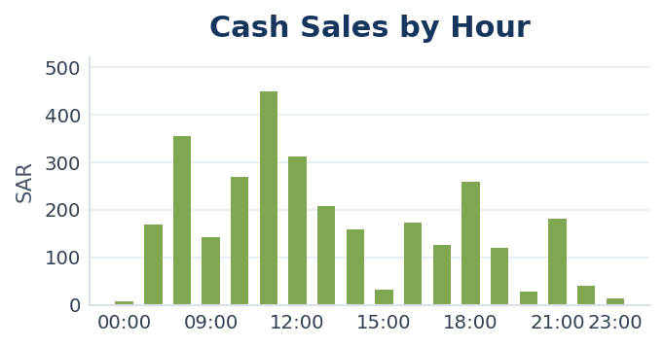

Barcode Muhamdyah - Results
...
Branch Balance and Analytics - Barcode Muhamdyah
 | Espresso Barcode | 10 | 124.13 | 2.29 | 121.84 | 121.84 | 121.84 | 96.63 | 14:00 | 15 | 156.00 | 2.40 | 153.60 | 134.00
 | V60 - Mexico Finca | Cold | 8 | 110.00 | 1.68 | 108.32 | 108.32 | 108.32 | 83.50 | 15:00 | 12 | 122.50 | 1.72 | 120.78 | 101.50
 | V60 - Yemeni Haraz | HOT | 5 | 104.38 | 1.63 | 102.75 | 102.75 | 102.75 | 35.38 | 16:00 | 23 | 221.50 | 3.20 | 218.30 | 156.50
 | Americano | 12 | 84.67 | 1.39 | 83.28 | 83.28 | 83.28 | 61.00 | 17:00 | 19 | 353.50 | 4.65 | 348.85 | 279.50
 | Cookies | 9 | 75.42 | 1.11 | 74.31 | 74.31 | 74.31 | 51.25 | 18:00 | 26 | 347.00 | 5.53 | 341.47 | 169.00
 |  |  |  |  |  |  |  |  | 19:00 | 30 | 356.00 | 4.97 | 351.03 | 266.00
 |  |  |  |  |  |  |  |  | 20:00 | 23 | 426.00 | 7.94 | 418.06 | 279.00
 |  |  |  |  |  |  |  |  | 21:00 | 4 | 65.50 | 1.31 | 64.19 | 65.50
 |  |  |  |  |  |  |  |  | 22:00 | 8 | 94.00 | 1.59 | 92.41 | 89.00
 |  |  |  |  |  |  |  |  | 23:00 | 9 | 109.00 | 1.48 | 107.52 | 43.00
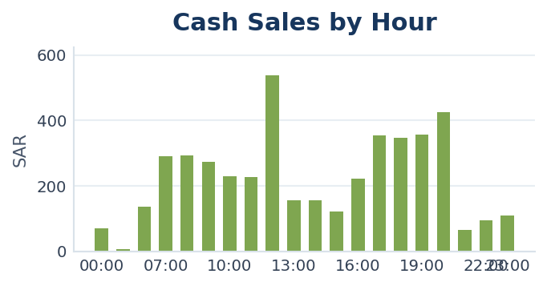

Executive Summary
...
Total Sales |  | Net Amount | Orders
12,836.00 SAR |  | 7,811.83 SAR | 481

Customers |  | Repeat Rate | Top 10 Share
87 |  | 68.00% | 56.00%

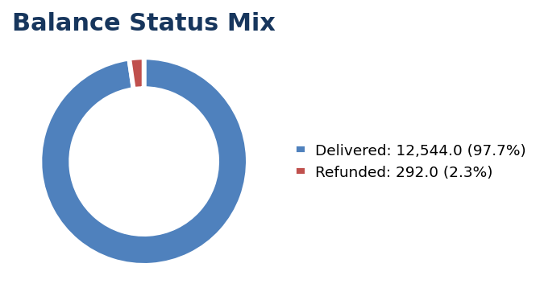
Executive Metrics
Metric | Value
Delivered | 12,544.00
Cancelled | 0.00
Refunded | 292.00
AOV | 26.69
Average Frequency | 5.53

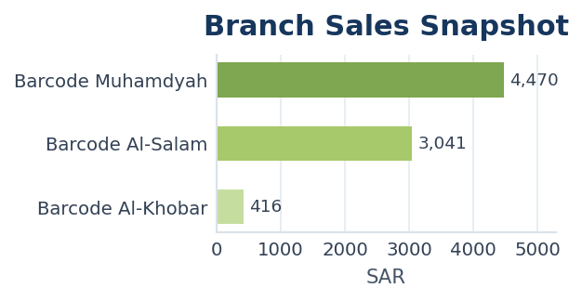
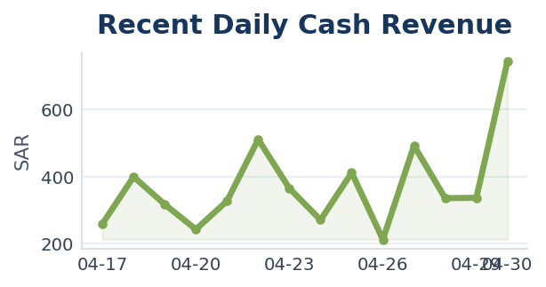

Detailed Dashboard
Detailed Dashboard
Section | Metric | Value | Total Sales | Cashback Used | Net Income
Financial | Total Sales | 1283600.00% | 12,836.00 SAR | 4,908.60 SAR | 7,811.83 SAR
Financial | Cashback Used | 490860.00%
Financial | Cash Revenue | 792740.00%
Financial | Bank Commission (Cash Revenue only) | 11557.00% | Bank Commission | Net Net Income | Orders
Financial | Net Amount | 781183.00% | 115.57 SAR | 7,811.83 SAR | 481
Orders | Total Orders | 48100.00%
Orders | Revenue Orders | 48100.00%
Orders | Refunded Orders | 1800.00%
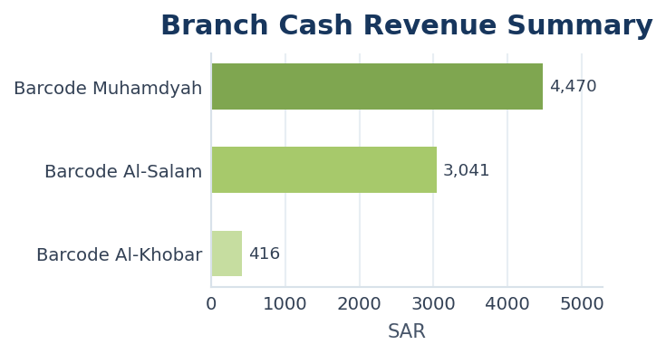
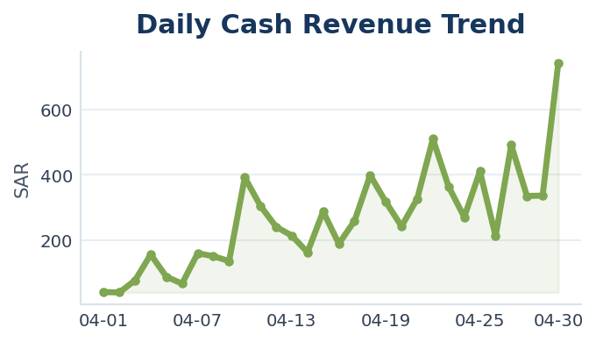
Orders | Refund Rate | 4.00%
Cashback | Cashback Orders | 37300.00%
Cashback | Cashback Usage % | 38.00%
Cashback | Cashback Orders % | 78.00%

Daily Sales
Daily Sales

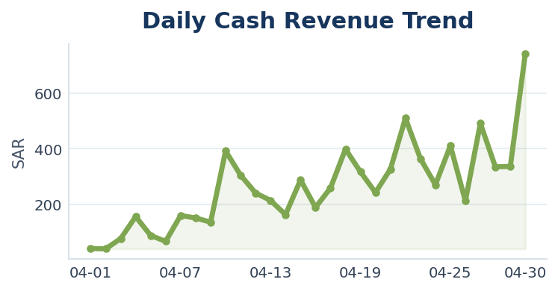
Day | Orders | Sales | Cash_Sales | Bank_Commission | Net_Income | Net Net Income | Net Revenue | Cashback_Used | Customers | Commission Rate | Commission Base | Net Amount | Net Income | Net_Net_Income | Net_Revenue | Cash Revenue
2026-04-01 | 2 | 62.00 | 41.00 | 0.41 | 40.59 | 40.59 | 40.59 | 21.00 | 2 | 0.01 | Cash Revenue | 40.59 | 40.59 | 40.59 | 40.59 | 41.00
2026-04-02 | 2 | 60.00 | 40.00 | 0.80 | 39.20 | 39.2 | 39.2 | 20.00 | 2 | 0.02 | Cash Revenue | 39.2 | 39.2 | 39.20 | 39.20 | 40.00
2026-04-03 | 3 | 154.00 | 77.00 | 1.54 | 75.46 | 75.46 | 75.46 | 77.00 | 2 | 0.02 | Cash Revenue | 75.46 | 75.46 | 75.46 | 75.46 | 77.00
2026-04-04 | 7 | 229.00 | 156.00 | 1.56 | 154.44 | 154.44 | 154.44 | 73.00 | 6 | 0.01 | Cash Revenue | 154.44 | 154.44 | 154.44 | 154.44 | 156.00
2026-04-05 | 5 | 150.00 | 88.00 | 1.76 | 86.24 | 86.24 | 86.24 | 62.00 | 4 | 0.02 | Cash Revenue | 86.24 | 86.24 | 86.24 | 86.24 | 88.00
2026-04-06 | 5 | 120.00 | 67.00 | 0.67 | 66.33 | 66.33 | 66.33 | 53.00 | 4 | 0.01 | Cash Revenue | 66.33 | 66.33 | 66.33 | 66.33 | 67.00
2026-04-07 | 8 | 267.00 | 160.00 | 1.60 | 158.40 | 158.4 | 158.4 | 107.00 | 8 | 0.01 | Cash Revenue | 158.4 | 158.4 | 158.40 | 158.40 | 160.00
2026-04-08 | 11 | 268.00 | 151.00 | 1.51 | 149.49 | 149.49 | 149.49 | 117.00 | 9 | 0.01 | Cash Revenue | 149.49 | 149.49 | 149.49 | 149.49 | 151.00
2026-04-09 | 8 | 209.00 | 136.00 | 1.36 | 134.64 | 134.64 | 134.64 | 73.00 | 8 | 0.01 | Cash Revenue | 134.64 | 134.64 | 134.64 | 134.64 | 136.00
2026-04-10 | 7 | 449.00 | 392.00 | 3.92 | 388.08 | 388.08 | 388.08 | 57.00 | 6 | 0.01 | Cash Revenue | 388.08 | 388.08 | 388.08 | 388.08 | 392.00
2026-04-11 | 19 | 478.00 | 305.00 | 3.05 | 301.95 | 301.95 | 301.95 | 173.00 | 17 | 0.01 | Cash Revenue | 301.95 | 301.95 | 301.95 | 301.95 | 305.00
2026-04-12 | 15 | 379.00 | 241.00 | 2.41 | 238.59 | 238.59 | 238.59 | 138.00 | 11 | 0.01 | Cash Revenue | 238.59 | 238.59 | 238.59 | 238.59 | 241.00
2026-04-13 | 15 | 366.00 | 214.00 | 2.14 | 211.86 | 211.86 | 211.86 | 152.00 | 10 | 0.01 | Cash Revenue | 211.86 | 211.86 | 211.86 | 211.86 | 214.00
2026-04-14 | 10 | 197.00 | 163.00 | 3.26 | 159.74 | 159.74 | 159.74 | 34.00 | 7 | 0.02 | Cash Revenue | 159.74 | 159.74 | 159.74 | 159.74 | 163.00
2026-04-15 | 16 | 370.00 | 288.00 | 5.76 | 282.24 | 282.24 | 282.24 | 82.00 | 12 | 0.02 | Cash Revenue | 282.24 | 282.24 | 282.24 | 282.24 | 288.00
2026-04-16 | 16 | 314.00 | 189.00 | 1.89 | 187.11 | 187.11 | 187.11 | 125.00 | 11 | 0.01 | Cash Revenue | 187.11 | 187.11 | 187.11 | 187.11 | 189.00
2026-04-17 | 14 | 449.00 | 259.00 | 2.59 | 256.41 | 256.41 | 256.41 | 190.00 | 10 | 0.01 | Cash Revenue | 256.41 | 256.41 | 256.41 | 256.41 | 259.00
2026-04-18 | 21 | 507.00 | 399.00 | 3.99 | 395.01 | 395.01 | 395.01 | 108.00 | 14 | 0.01 | Cash Revenue | 395.01 | 395.01 | 395.01 | 395.01 | 399.00
2026-04-19 | 23 | 573.00 | 317.00 | 3.17 | 313.83 | 313.83 | 313.83 | 256.00 | 21 | 0.01 | Cash Revenue | 313.83 | 313.83 | 313.83 | 313.83 | 317.00
2026-04-20 | 11 | 378.00 | 242.50 | 2.43 | 240.07 | 240.07 | 240.07 | 135.50 | 9 | 0.01 | Cash Revenue | 240.07 | 240.07 | 240.07 | 240.07 | 242.50
2026-04-21 | 25 | 573.00 | 326.90 | 3.27 | 323.63 | 323.63 | 323.63 | 246.10 | 19 | 0.01 | Cash Revenue | 323.63 | 323.63 | 323.63 | 323.63 | 326.90
2026-04-22 | 37 | 917.00 | 510.10 | 5.10 | 505.00 | 505 | 505 | 406.90 | 26 | 0.01 | Cash Revenue | 505 | 505 | 505.00 | 505.00 | 510.10
2026-04-23 | 28 | 646.00 | 364.50 | 3.65 | 360.85 | 360.85 | 360.85 | 281.50 | 22 | 0.01 | Cash Revenue | 360.85 | 360.85 | 360.85 | 360.85 | 364.50
2026-04-24 | 15 | 477.00 | 270.70 | 2.71 | 267.99 | 267.99 | 267.99 | 206.30 | 12 | 0.01 | Cash Revenue | 267.99 | 267.99 | 267.99 | 267.99 | 270.70
2026-04-25 | 24 | 667.00 | 411.00 | 4.11 | 406.89 | 406.89 | 406.89 | 256.00 | 15 | 0.01 | Cash Revenue | 406.89 | 406.89 | 406.89 | 406.89 | 411.00
2026-04-26 | 15 | 391.00 | 212.50 | 2.12 | 210.38 | 210.38 | 210.38 | 178.50 | 13 | 0.01 | Cash Revenue | 210.38 | 210.38 | 210.38 | 210.38 | 212.50
2026-04-27 | 30 | 777.00 | 491.40 | 4.91 | 486.49 | 486.49 | 486.49 | 285.60 | 24 | 0.01 | Cash Revenue | 486.49 | 486.49 | 486.49 | 486.49 | 491.40
2026-04-28 | 32 | 570.00 | 335.30 | 3.35 | 331.95 | 331.95 | 331.95 | 234.70 | 25 | 0.01 | Cash Revenue | 331.95 | 331.95 | 331.95 | 331.95 | 335.30
...

Hourly Sales
Hourly Sales

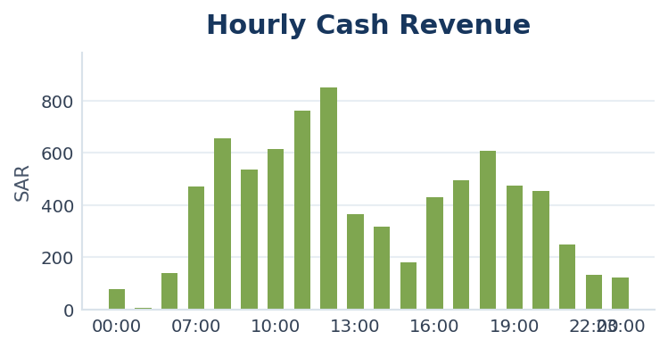
Hour | Orders | Sales | Cash_Sales | Cash Revenue
00:00 | 6 | 157.00 | 78.50 | 78.50
01:00 | 1 | 13.00 | 6.50 | 6.50
06:00 | 6 | 244.00 | 137.00 | 137.00
07:00 | 23 | 885.00 | 471.10 | 471.10
08:00 | 41 | 1,163.00 | 656.50 | 656.50
09:00 | 29 | 882.00 | 536.00 | 536.00
10:00 | 33 | 1,032.00 | 614.80 | 614.80
11:00 | 35 | 977.00 | 761.50 | 761.50
12:00 | 39 | 1,165.00 | 848.80 | 848.80
13:00 | 27 | 613.00 | 364.50 | 364.50
14:00 | 25 | 519.00 | 315.00 | 315.00
15:00 | 16 | 305.00 | 178.20 | 178.20
16:00 | 31 | 709.00 | 428.50 | 428.50
17:00 | 27 | 887.00 | 493.20 | 493.20
18:00 | 37 | 845.00 | 606.40 | 606.40
19:00 | 38 | 846.00 | 474.90 | 474.90
20:00 | 26 | 752.00 | 454.00 | 454.00
21:00 | 17 | 402.00 | 246.50 | 246.50
22:00 | 14 | 262.00 | 133.50 | 133.50
23:00 | 10 | 178.00 | 122.00 | 122.00

Weekly Sales
...
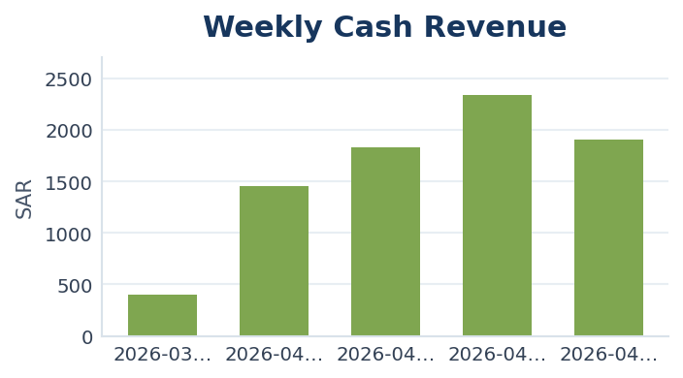
Total_Sales | Cashback_Used | Bank_Commission | Net_Income | Net Net Income | Customers | Commission Rate | Commission Base | Net Amount | Net Income | Net_Net_Income | Net_Revenue | Net Revenue | AOV | Cash Revenue
655.00 | 253.00 | 8.04 | 393.96 | 393.96 | 12 | 0.02 | Cash Revenue | 393.96 | 393.96 | 393.96 | 393.96 | 393.96 | 34.47 | 402.00
2,170.00 | 718.00 | 14.52 | 1,437.48 | 1437.48 | 26 | 0.01 | Cash Revenue | 1437.48 | 1437.48 | 1,437.48 | 1437.48 | 1437.48 | 29.73 | 1,452.00
2,776.00 | 947.00 | 18.29 | 1,810.71 | 1810.71 | 34 | 0.01 | Cash Revenue | 1810.71 | 1810.71 | 1,810.71 | 1810.71 | 1810.71 | 24.14 | 1,829.00
4,049.00 | 1,710.80 | 23.38 | 2,314.82 | 2314.82 | 48 | 0.01 | Cash Revenue | 2314.82 | 2314.82 | 2,314.82 | 2314.82 | 2314.82 | 26.12 | 2,338.20
3,186.00 | 1,279.80 | 19.06 | 1,887.14 | 1887.14 | 53 | 0.01 | Cash Revenue | 1887.14 | 1887.14 | 1,887.14 | 1887.14 | 1887.14 | 26.77 | 1,906.20

Monthly Sales
...
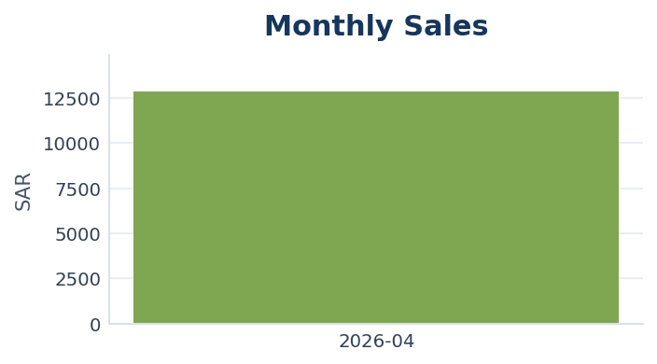
Total_Sales | Cashback_Used | Bank_Commission | Net_Income | Net Net Income | Customers | Commission Rate | Commission Base | Net Amount | Net Income | Net_Net_Income | Net_Revenue | Net Revenue | AOV
12,836.00 | 4,908.60 | 79.27 | 7,848.13 | 7848.13 | 87 | 0.01 | Cash Revenue | 7848.13 | 7848.13 | 7,848.13 | 7848.13 | 7848.13 | 26.69

Balance
Balance

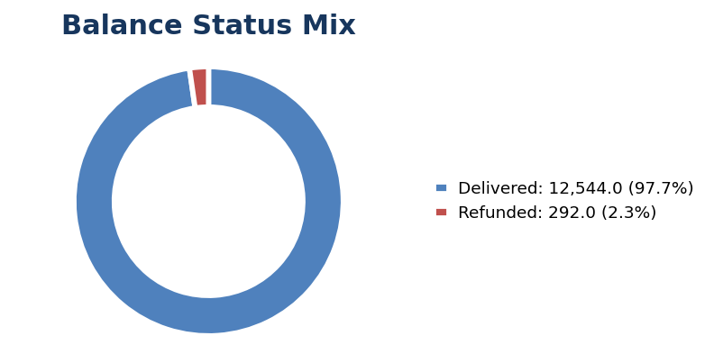
Metric | Value
Delivered | 12,544.00
Cancelled | 0.00
Refunded | 292.00
Cash Revenue | 7,927.40
Cashback Used | 4,908.60
Net Amount | 7,811.83
Bank Commission | 115.57
Net Amount | 7,811.83
Net Revenue | 7,811.83
Cashback Usage % | 0.38

Branch Comparison Dashboard
...
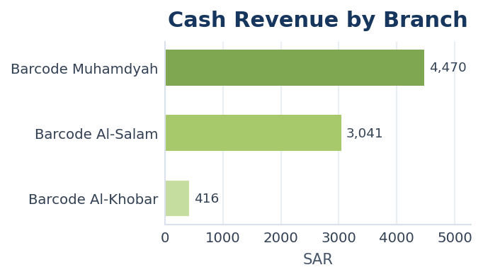
Cash Revenue | Cashback Used | Net Income | Bank Commission | Net Net Income | Net Revenue | Refund Rate | AOV | Net AOV | Branch Score | Net_Income | Net Amount | Net_Net_Income | Net_Revenue
4,470.50 | 3,008.50 | 4,425.80 | 44.70 | 4,425.80 | 4,425.80 | 2.00% | 24.93 | 14.68 | 94.70 | 4425.8 | 4425.8 | 4425.8 | 4425.8
3,041.40 | 1,612.60 | 3,010.99 | 30.41 | 3,010.99 | 3,010.99 | 6.51% | 27.54 | 17.73 | 61.31 | 3010.99 | 3010.99 | 3010.99 | 3010.99
415.50 | 287.50 | 407.19 | 8.31 | 407.19 | 407.19 | 8.33% | 58.58 | 34.27 | 6.53 | 407.19 | 407.19 | 407.19 | 407.19

Top Customers CLV
...
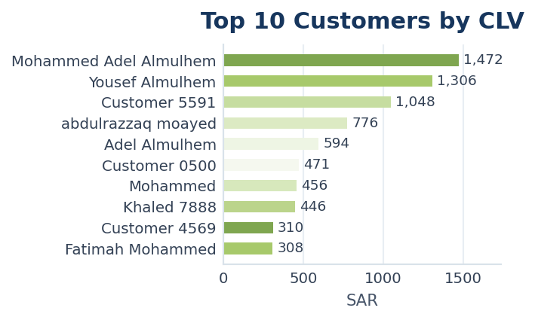
Cash_Paid | Bank_Commission | Net_Income | Net_Net_Income | Net_Revenue | Cashback_Used | Cashback_Orders | Avg_Order | Avg_Net_Order | First_Order | Last_Order | Cashback Usage % | Cashback Orders % | Segment | CLV | Net Income | Net Amount | Net Net Income | Net Revenue
1,019.00 | 10.19 | 1,008.81 | 1,008.81 | 1,008.81 | 453.00 | 18 | 49.07 | 33.63 | 2026-04-04 | 2026-04-30 | 30.77% | 60.00% | VIP | 1,472.00 | 1008.81 | 1008.81 | 1008.81 | 1008.81
736.50 | 14.63 | 721.87 | 721.87 | 721.87 | 569.50 | 16 | 68.74 | 37.99 | 2026-04-07 | 2026-04-29 | 43.61% | 84.21% | VIP | 1,306.00 | 721.87 | 721.87 | 721.87 | 721.87
727.90 | 9.69 | 718.21 | 718.21 | 718.21 | 320.10 | 26 | 28.32 | 19.41 | 2026-04-04 | 2026-04-30 | 30.54% | 70.27% | VIP | 1,048.00 | 718.21 | 718.21 | 718.21 | 718.21
388.00 | 4.53 | 383.47 | 383.47 | 383.47 | 388.00 | 32 | 24.25 | 11.98 | 2026-04-04 | 2026-04-30 | 50.00% | 100.00% | VIP | 776.00 | 383.47 | 383.47 | 383.47 | 383.47
594.00 | 11.65 | 582.35 | 582.35 | 582.35 | 0.00 | 0 | 25.83 | 25.32 | 2026-04-13 | 2026-04-30 | 0.00% | 0.00% | VIP | 594.00 | 582.35 | 582.35 | 582.35 | 582.35
271.00 | 4.77 | 266.23 | 266.23 | 266.23 | 200.00 | 5 | 78.50 | 44.37 | 2026-04-03 | 2026-04-30 | 42.46% | 83.33% | VIP | 471.00 | 266.23 | 266.23 | 266.23 | 266.23
241.00 | 4.82 | 236.18 | 236.18 | 236.18 | 215.00 | 25 | 18.24 | 9.45 | 2026-04-01 | 2026-04-28 | 47.15% | 100.00% | VIP | 456.00 | 236.18 | 236.18 | 236.18 | 236.18
223.00 | 4.35 | 218.65 | 218.65 | 218.65 | 223.00 | 15 | 29.73 | 14.58 | 2026-04-06 | 2026-04-30 | 50.00% | 100.00% | VIP | 446.00 | 218.65 | 218.65 | 218.65 | 218.65
155.00 | 1.55 | 153.45 | 153.45 | 153.45 | 155.00 | 14 | 22.14 | 10.96 | 2026-04-15 | 2026-04-24 | 50.00% | 100.00% | VIP | 310.00 | 153.45 | 153.45 | 153.45 | 153.45
154.00 | 1.72 | 152.28 | 152.28 | 152.28 | 154.00 | 16 | 19.25 | 9.52 | 2026-04-08 | 2026-04-30 | 50.00% | 100.00% | VIP | 308.00 | 152.28 | 152.28 | 152.28 | 152.28

Top Customers Cashback
...
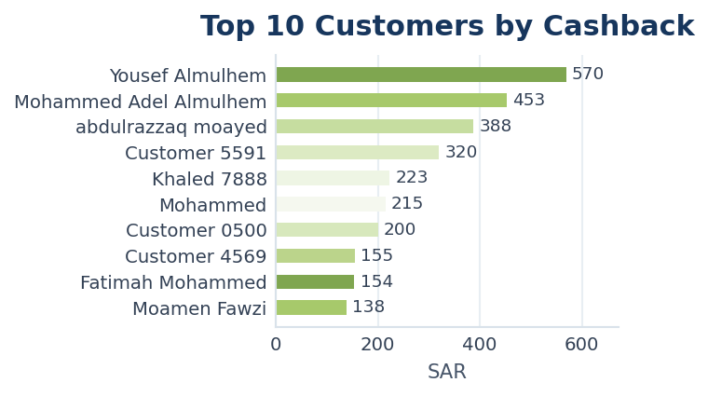
Cash_Paid | Bank_Commission | Net_Income | Net_Net_Income | Net_Revenue | Cashback_Used | Cashback_Orders | Avg_Order | Avg_Net_Order | First_Order | Last_Order | Cashback Usage % | Cashback Orders % | Segment | CLV | Net Income | Net Amount | Net Net Income | Net Revenue
736.50 | 14.63 | 721.87 | 721.87 | 721.87 | 569.50 | 16 | 68.74 | 37.99 | 2026-04-07 | 2026-04-29 | 43.61% | 84.21% | VIP | 1,306.00 | 721.87 | 721.87 | 721.87 | 721.87
1,019.00 | 10.19 | 1,008.81 | 1,008.81 | 1,008.81 | 453.00 | 18 | 49.07 | 33.63 | 2026-04-04 | 2026-04-30 | 30.77% | 60.00% | VIP | 1,472.00 | 1008.81 | 1008.81 | 1008.81 | 1008.81
388.00 | 4.53 | 383.47 | 383.47 | 383.47 | 388.00 | 32 | 24.25 | 11.98 | 2026-04-04 | 2026-04-30 | 50.00% | 100.00% | VIP | 776.00 | 383.47 | 383.47 | 383.47 | 383.47
727.90 | 9.69 | 718.21 | 718.21 | 718.21 | 320.10 | 26 | 28.32 | 19.41 | 2026-04-04 | 2026-04-30 | 30.54% | 70.27% | VIP | 1,048.00 | 718.21 | 718.21 | 718.21 | 718.21
223.00 | 4.35 | 218.65 | 218.65 | 218.65 | 223.00 | 15 | 29.73 | 14.58 | 2026-04-06 | 2026-04-30 | 50.00% | 100.00% | VIP | 446.00 | 218.65 | 218.65 | 218.65 | 218.65
241.00 | 4.82 | 236.18 | 236.18 | 236.18 | 215.00 | 25 | 18.24 | 9.45 | 2026-04-01 | 2026-04-28 | 47.15% | 100.00% | VIP | 456.00 | 236.18 | 236.18 | 236.18 | 236.18
271.00 | 4.77 | 266.23 | 266.23 | 266.23 | 200.00 | 5 | 78.50 | 44.37 | 2026-04-03 | 2026-04-30 | 42.46% | 83.33% | VIP | 471.00 | 266.23 | 266.23 | 266.23 | 266.23
155.00 | 1.55 | 153.45 | 153.45 | 153.45 | 155.00 | 14 | 22.14 | 10.96 | 2026-04-15 | 2026-04-24 | 50.00% | 100.00% | VIP | 310.00 | 153.45 | 153.45 | 153.45 | 153.45
154.00 | 1.72 | 152.28 | 152.28 | 152.28 | 154.00 | 16 | 19.25 | 9.52 | 2026-04-08 | 2026-04-30 | 50.00% | 100.00% | VIP | 308.00 | 152.28 | 152.28 | 152.28 | 152.28
144.00 | 2.24 | 141.76 | 141.76 | 141.76 | 138.00 | 12 | 20.14 | 10.13 | 2026-04-06 | 2026-04-30 | 48.94% | 85.71% | VIP | 282.00 | 141.76 | 141.76 | 141.76 | 141.76

Customer Insights
Customer Insights

Customer Segments
Segment | Customers | Orders | Total_CLV | Avg_CLV | Avg_Order
Regular | 42 | 172 | 3,197.00 | 76.12 | 20.36
VIP | 17 | 281 | 8,647.00 | 508.65 | 34.86
Weak | 28 | 28 | 992.00 | 35.43 | 35.43

Products Analysis
Products Analysis

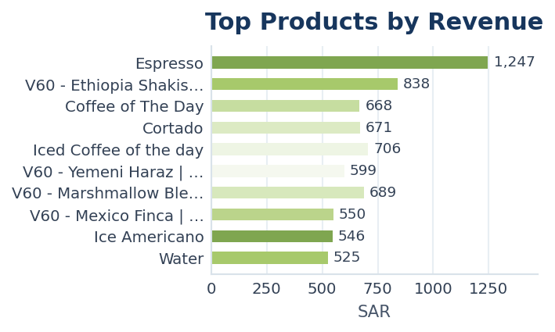
Product | Quantity | Orders | Revenue | Cash_Revenue | Bank_Commission | Net_Income | Net Net Income | Net Revenue | Cashback_Used | Commission Rate | Commission Base | Net Amount | Net Income | Net_Net_Income | Net_Revenue
Espresso | 59.07 | 86 | 1,246.70 | 749.70 | 7.50 | 742.20 | 742.2 | 742.2 | 497.00 | 0.01 | Cash Revenue | 742.2 | 742.2 | 742.20 | 742.20
V60 - Ethiopia Shakiso | Cold | 29.33 | 34 | 838.33 | 546.27 | 5.46 | 540.81 | 540.81 | 540.81 | 292.07 | 0.01 | Cash Revenue | 540.81 | 540.81 | 540.81 | 540.81
Coffee of The Day | 35.27 | 50 | 667.63 | 430.78 | 4.31 | 426.47 | 426.47 | 426.47 | 236.85 | 0.01 | Cash Revenue | 426.47 | 426.47 | 426.47 | 426.47
Cortado | 26.02 | 40 | 670.90 | 424.40 | 8.49 | 415.91 | 415.91 | 415.91 | 246.50 | 0.02 | Cash Revenue | 415.91 | 415.91 | 415.91 | 415.91
Iced Coffee of the day | 53.83 | 62 | 706.17 | 411.08 | 4.11 | 406.97 | 406.97 | 406.97 | 295.08 | 0.01 | Cash Revenue | 406.97 | 406.97 | 406.97 | 406.97
V60 - Yemeni Haraz | Cold | 15.67 | 26 | 599.38 | 403.64 | 4.04 | 399.60 | 399.6 | 399.6 | 195.74 | 0.01 | Cash Revenue | 399.6 | 399.6 | 399.60 | 399.60
V60 - Marshmallow Blend | Cold | 33.00 | 38 | 688.67 | 392.58 | 3.93 | 388.65 | 388.65 | 388.65 | 296.08 | 0.01 | Cash Revenue | 388.65 | 388.65 | 388.65 | 388.65
V60 - Mexico Finca | Cold | 23.20 | 26 | 549.50 | 375.70 | 3.76 | 371.94 | 371.94 | 371.94 | 173.80 | 0.01 | Cash Revenue | 371.94 | 371.94 | 371.94 | 371.94
Ice Americano | 33.17 | 39 | 546.00 | 360.58 | 3.61 | 356.97 | 356.97 | 356.97 | 185.42 | 0.01 | Cash Revenue | 356.97 | 356.97 | 356.97 | 356.97
Water | 19.55 | 39 | 525.02 | 277.98 | 5.56 | 272.42 | 272.42 | 272.42 | 247.04 | 0.02 | Cash Revenue | 272.42 | 272.42 | 272.42 | 272.42
V60 - Yemeni Haraz | HOT | 8.08 | 11 | 271.75 | 204.71 | 2.05 | 202.66 | 202.66 | 202.66 | 67.04 | 0.01 | Cash Revenue | 202.66 | 202.66 | 202.66 | 202.66
Coffee Box | 1.50 | 2 | 232.50 | 192.50 | 1.93 | 190.57 | 190.57 | 190.57 | 40.00 | 0.01 | Cash Revenue | 190.57 | 190.57 | 190.57 | 190.57
Spicy tuna | 5.62 | 15 | 284.37 | 164.37 | 1.64 | 162.73 | 162.73 | 162.73 | 120.00 | 0.01 | Cash Revenue | 162.73 | 162.73 | 162.73 | 162.73
Espresso Barcode | 5.93 | 13 | 280.75 | 153.66 | 1.54 | 152.12 | 152.12 | 152.12 | 127.09 | 0.01 | Cash Revenue | 152.12 | 152.12 | 152.12 | 152.12
Eid chocolate box booking | 0.50 | 1 | 152.50 | 152.50 | 1.53 | 150.97 | 150.97 | 150.97 | 0.00 | 0.01 | Cash Revenue | 150.97 | 150.97 | 150.97 | 150.97
Turkey cheese | 9.00 | 12 | 257.00 | 148.00 | 1.48 | 146.52 | 146.52 | 146.52 | 109.00 | 0.01 | Cash Revenue | 146.52 | 146.52 | 146.52 | 146.52
Cheese | 4.28 | 9 | 177.03 | 109.78 | 1.10 | 108.68 | 108.68 | 108.68 | 67.25 | 0.01 | Cash Revenue | 108.68 | 108.68 | 108.68 | 108.68
Cold Brew | 3.20 | 4 | 188.00 | 108.00 | 1.08 | 106.92 | 106.92 | 106.92 | 80.00 | 0.01 | Cash Revenue | 106.92 | 106.92 | 106.92 | 106.92
Coffee Sachets | Mexico Finca | 2.00 | 2 | 150.00 | 105.50 | 1.05 | 104.45 | 104.45 | 104.45 | 44.50 | 0.01 | Cash Revenue | 104.45 | 104.45 | 104.45 | 104.45
Hallom | 4.20 | 9 | 169.37 | 101.95 | 1.02 | 100.93 | 100.93 | 100.93 | 67.42 | 0.01 | Cash Revenue | 100.93 | 100.93 | 100.93 | 100.93
Ice karikade | 6.70 | 8 | 141.00 | 94.50 | 0.95 | 93.55 | 93.55 | 93.55 | 46.50 | 0.01 | Cash Revenue | 93.55 | 93.55 | 93.55 | 93.55
Sourdough Hallom | 2.13 | 8 | 161.70 | 94.30 | 0.94 | 93.36 | 93.36 | 93.36 | 67.40 | 0.01 | Cash Revenue | 93.36 | 93.36 | 93.36 | 93.36
Cookies | 6.17 | 11 | 162.67 | 93.42 | 0.93 | 92.49 | 92.49 | 92.49 | 69.25 | 0.01 | Cash Revenue | 92.49 | 92.49 | 92.49 | 92.49
V60 - Marshmallow Blend | HOT | 5.37 | 9 | 164.40 | 89.93 | 0.90 | 89.03 | 89.03 | 89.03 | 74.47 | 0.01 | Cash Revenue | 89.03 | 89.03 | 89.03 | 89.03
Molted Pecan Cup | 3.45 | 9 | 135.20 | 88.35 | 0.88 | 87.47 | 87.47 | 87.47 | 46.85 | 0.01 | Cash Revenue | 87.47 | 87.47 | 87.47 | 87.47
Americano | 10.17 | 12 | 145.67 | 84.67 | 0.85 | 83.82 | 83.82 | 83.82 | 61.00 | 0.01 | Cash Revenue | 83.82 | 83.82 | 83.82 | 83.82
Freddo | 5.00 | 6 | 89.50 | 80.00 | 1.60 | 78.40 | 78.4 | 78.4 | 9.50 | 0.02 | Cash Revenue | 78.4 | 78.4 | 78.40 | 78.40
Sourdough Turkey cheese | 4.07 | 7 | 145.40 | 73.80 | 0.74 | 73.06 | 73.06 | 73.06 | 71.60 | 0.01 | Cash Revenue | 73.06 | 73.06 | 73.06 | 73.06
Flat white | 4.08 | 7 | 119.83 | 67.92 | 0.68 | 67.24 | 67.24 | 67.24 | 51.92 | 0.01 | Cash Revenue | 67.24 | 67.24 | 67.24 | 67.24
...

Refund Analysis
Refund Analysis

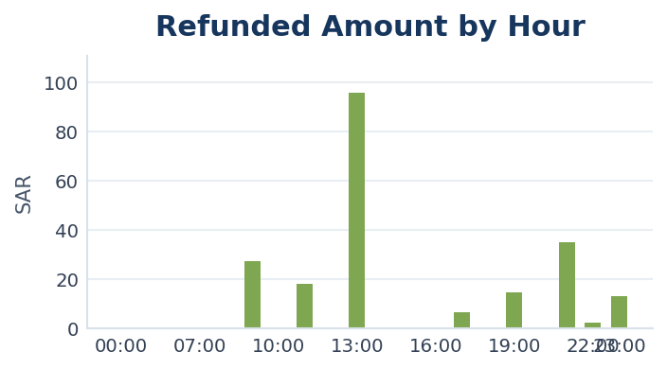
Hour | Total_Orders | Refunded_Orders | Refunded_Amount | Refund Rate
00:00 | 6 | 0 | 0.00 | 0.00%
01:00 | 1 | 0 | 0.00 | 0.00%
06:00 | 6 | 0 | 0.00 | 0.00%
07:00 | 23 | 0 | 0.00 | 0.00%
08:00 | 41 | 0 | 0.00 | 0.00%
09:00 | 29 | 2 | 27.00 | 6.90%
10:00 | 33 | 0 | 0.00 | 0.00%
11:00 | 35 | 2 | 18.00 | 5.71%
12:00 | 39 | 0 | 0.00 | 0.00%
13:00 | 27 | 4 | 95.50 | 14.81%
14:00 | 25 | 0 | 0.00 | 0.00%
15:00 | 16 | 0 | 0.00 | 0.00%
16:00 | 31 | 0 | 0.00 | 0.00%
17:00 | 27 | 1 | 6.50 | 3.70%
18:00 | 37 | 0 | 0.00 | 0.00%
19:00 | 38 | 1 | 14.40 | 2.63%
20:00 | 26 | 0 | 0.00 | 0.00%
21:00 | 17 | 5 | 35.00 | 29.41%
22:00 | 14 | 2 | 2.00 | 14.29%
23:00 | 10 | 1 | 13.00 | 10.00%

Customer Opportunities
...
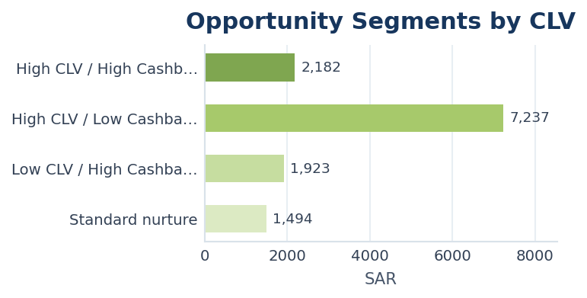
Bank_Commission | Net_Income | Net_Net_Income | Net_Revenue | Cashback_Used | Cashback_Orders | Avg_Order | Avg_Net_Order | First_Order | Last_Order | Cashback Usage % | Cashback Orders % | Segment | CLV | Cash Revenue | Total Sales | Net Amount | Days Since Last Order | Cashback Dependency % | Opportunity Segment | Net Income | Net Net Income | Net Revenue
10.19 | 1008.81 | 1008.81 | 1008.81 | 453.00 | 18 | 49.066666667 | 33.627 | 2026-04-04 | 2026-04-30 | 0.30774456522 | 0.6 | VIP | 1,472.00 | 1,019.00 | 1,472.00 | 1,008.81 | 0 | 30.77% | High CLV / Low Cashback - premium retention | 1008.81 | 1008.81 | 1008.81
14.63 | 721.87 | 721.87 | 721.87 | 569.50 | 16 | 68.736842105 | 37.993157895 | 2026-04-07 | 2026-04-29 | 0.43606431853 | 0.84210526316 | VIP | 1,306.00 | 736.50 | 1,306.00 | 721.87 | 1 | 43.61% | High CLV / Low Cashback - premium retention | 721.87 | 721.87 | 721.87
9.69 | 718.21 | 718.21 | 718.21 | 320.10 | 26 | 28.324324324 | 19.411081081 | 2026-04-04 | 2026-04-30 | 0.3054389313 | 0.7027027027 | VIP | 1,048.00 | 727.90 | 1,048.00 | 718.21 | 0 | 30.54% | High CLV / Low Cashback - premium retention | 718.21 | 718.21 | 718.21
4.53 | 383.47 | 383.47 | 383.47 | 388.00 | 32 | 24.25 | 11.9834375 | 2026-04-04 | 2026-04-30 | 0.5 | 1 | VIP | 776.00 | 388.00 | 776.00 | 383.47 | 0 | 50.00% | High CLV / High Cashback - keep but control incentives | 383.47 | 383.47 | 383.47
11.65 | 582.35 | 582.35 | 582.35 | 0.00 | 0 | 25.826086957 | 25.319565217 | 2026-04-13 | 2026-04-30 | 0 | 0 | VIP | 594.00 | 594.00 | 594.00 | 582.35 | 0 | 0.00% | High CLV / Low Cashback - premium retention | 582.35 | 582.35 | 582.35
4.77 | 266.23 | 266.23 | 266.23 | 200.00 | 5 | 78.5 | 44.371666667 | 2026-04-03 | 2026-04-30 | 0.42462845011 | 0.83333333333 | VIP | 471.00 | 271.00 | 471.00 | 266.23 | 0 | 42.46% | High CLV / Low Cashback - premium retention | 266.23 | 266.23 | 266.23
4.82 | 236.18 | 236.18 | 236.18 | 215.00 | 25 | 18.24 | 9.4472 | 2026-04-01 | 2026-04-28 | 0.47149122807 | 1 | VIP | 456.00 | 241.00 | 456.00 | 236.18 | 2 | 47.15% | High CLV / Low Cashback - premium retention | 236.18 | 236.18 | 236.18
4.35 | 218.65 | 218.65 | 218.65 | 223.00 | 15 | 29.733333333 | 14.576666667 | 2026-04-06 | 2026-04-30 | 0.5 | 1 | VIP | 446.00 | 223.00 | 446.00 | 218.65 | 0 | 50.00% | High CLV / High Cashback - keep but control incentives | 218.65 | 218.65 | 218.65
1.55 | 153.45 | 153.45 | 153.45 | 155.00 | 14 | 22.142857143 | 10.960714286 | 2026-04-15 | 2026-04-24 | 0.5 | 1 | VIP | 310.00 | 155.00 | 310.00 | 153.45 | 6 | 50.00% | High CLV / High Cashback - keep but control incentives | 153.45 | 153.45 | 153.45
1.72 | 152.28 | 152.28 | 152.28 | 154.00 | 16 | 19.25 | 9.5175 | 2026-04-08 | 2026-04-30 | 0.5 | 1 | VIP | 308.00 | 154.00 | 308.00 | 152.28 | 0 | 50.00% | High CLV / High Cashback - keep but control incentives | 152.28 | 152.28 | 152.28
2.24 | 141.76 | 141.76 | 141.76 | 138.00 | 12 | 20.142857143 | 10.125714286 | 2026-04-06 | 2026-04-30 | 0.48936170213 | 0.85714285714 | VIP | 282.00 | 144.00 | 282.00 | 141.76 | 0 | 48.94% | High CLV / Low Cashback - premium retention | 141.76 | 141.76 | 141.76
1.57 | 150.43 | 150.43 | 150.43 | 105.00 | 16 | 14.277777778 | 8.3572222222 | 2026-04-21 | 2026-04-30 | 0.40856031128 | 0.88888888889 | VIP | 257.00 | 152.00 | 257.00 | 150.43 | 0 | 40.86% | High CLV / Low Cashback - premium retention | 150.43 | 150.43 | 150.43
1.48 | 113.52 | 113.52 | 113.52 | 111.00 | 10 | 22.6 | 11.352 | 2026-04-11 | 2026-04-30 | 0.49115044248 | 1 | VIP | 226.00 | 115.00 | 226.00 | 113.52 | 0 | 49.12% | High CLV / Low Cashback - premium retention | 113.52 | 113.52 | 113.52
1.9 | 93.1 | 93.1 | 93.1 | 90.00 | 11 | 15.416666667 | 7.7583333333 | 2026-04-03 | 2026-04-29 | 0.48648648649 | 0.91666666667 | VIP | 185.00 | 95.00 | 185.00 | 93.10 | 1 | 48.65% | High CLV / Low Cashback - premium retention | 93.1 | 93.1 | 93.1
0.88 | 86.62 | 86.62 | 86.62 | 87.50 | 3 | 58.333333333 | 28.873333333 | 2026-04-17 | 2026-04-19 | 0.5 | 1 | VIP | 175.00 | 87.50 | 175.00 | 86.62 | 11 | 50.00% | High CLV / High Cashback - keep but control incentives | 86.62 | 86.62 | 86.62
0.98 | 97.52 | 97.52 | 97.52 | 69.50 | 2 | 56 | 32.506666667 | 2026-04-04 | 2026-04-26 | 0.41369047619 | 0.66666666667 | VIP | 168.00 | 98.50 | 168.00 | 97.52 | 4 | 41.37% | High CLV / Low Cashback - premium retention | 97.52 | 97.52 | 97.52
0.84 | 82.66 | 82.66 | 82.66 | 83.50 | 4 | 41.75 | 20.665 | 2026-04-25 | 2026-04-28 | 0.5 | 1 | VIP | 167.00 | 83.50 | 167.00 | 82.66 | 2 | 50.00% | High CLV / High Cashback - keep but control incentives | 82.66 | 82.66 | 82.66
1.29 | 91.71 | 91.71 | 91.71 | 70.00 | 6 | 23.285714286 | 13.101428571 | 2026-04-17 | 2026-04-30 | 0.42944785276 | 0.85714285714 | Regular | 163.00 | 93.00 | 163.00 | 91.71 | 0 | 42.94% | High CLV / Low Cashback - premium retention | 91.71 | 91.71 | 91.71
2.03 | 156.97 | 156.97 | 156.97 | 0.00 | 0 | 19.875 | 19.62125 | 2026-04-11 | 2026-04-30 | 0 | 0 | Regular | 159.00 | 159.00 | 159.00 | 156.97 | 0 | 0.00% | High CLV / Low Cashback - premium retention | 156.97 | 156.97 | 156.97
1.15 | 83.85 | 83.85 | 83.85 | 70.00 | 7 | 19.375 | 10.48125 | 2026-04-12 | 2026-04-28 | 0.45161290323 | 0.875 | Regular | 155.00 | 85.00 | 155.00 | 83.85 | 2 | 45.16% | High CLV / Low Cashback - premium retention | 83.85 | 83.85 | 83.85
1.51 | 88.49 | 88.49 | 88.49 | 60.00 | 12 | 10 | 5.8993333333 | 2026-04-16 | 2026-04-27 | 0.4 | 0.8 | Regular | 150.00 | 90.00 | 150.00 | 88.49 | 3 | 40.00% | High CLV / Low Cashback - premium retention | 88.49 | 88.49 | 88.49
1.13 | 111.87 | 111.87 | 111.87 | 32.00 | 3 | 20.714285714 | 15.981428571 | 2026-04-11 | 2026-04-19 | 0.22068965517 | 0.42857142857 | Regular | 145.00 | 113.00 | 145.00 | 111.87 | 11 | 22.07% | High CLV / Low Cashback - premium retention | 111.87 | 111.87 | 111.87
2.32 | 133.68 | 133.68 | 133.68 | 0.00 | 0 | 22.666666667 | 22.28 | 2026-04-02 | 2026-04-12 | 0 | 0 | Regular | 136.00 | 136.00 | 136.00 | 133.68 | 18 | 0.00% | Standard nurture | 133.68 | 133.68 | 133.68
0.65 | 63.85 | 63.85 | 63.85 | 64.50 | 1 | 129 | 63.85 | 2026-04-30 | 2026-04-30 | 0.5 | 1 | Weak | 129.00 | 64.50 | 129.00 | 63.85 | 0 | 50.00% | Low CLV / High Cashback - cost watch | 63.85 | 63.85 | 63.85
0.59 | 58.91 | 58.91 | 58.91 | 59.50 | 1 | 119 | 58.91 | 2026-04-25 | 2026-04-25 | 0.5 | 1 | Weak | 119.00 | 59.50 | 119.00 | 58.91 | 5 | 50.00% | Low CLV / High Cashback - cost watch | 58.91 | 58.91 | 58.91
1.16 | 56.84 | 56.84 | 56.84 | 58.00 | 2 | 58 | 28.42 | 2026-04-22 | 2026-04-22 | 0.5 | 1 | Regular | 116.00 | 58.00 | 116.00 | 56.84 | 8 | 50.00% | Low CLV / High Cashback - cost watch | 56.84 | 56.84 | 56.84
0.86 | 73.14 | 73.14 | 73.14 | 40.00 | 3 | 28.5 | 18.285 | 2026-04-04 | 2026-04-11 | 0.35087719298 | 0.75 | Regular | 114.00 | 74.00 | 114.00 | 73.14 | 19 | 35.09% | Standard nurture | 73.14 | 73.14 | 73.14
1.8 | 88.2 | 88.2 | 88.2 | 24.00 | 2 | 28.5 | 22.05 | 2026-04-10 | 2026-04-22 | 0.21052631579 | 0.5 | Regular | 114.00 | 90.00 | 114.00 | 88.20 | 8 | 21.05% | Standard nurture | 88.2 | 88.2 | 88.2
...

Cashback Impact
...
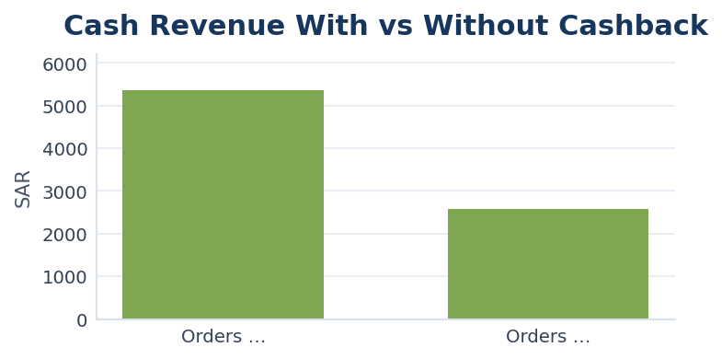
AOV Cash | AOV Total | Repeat Rate | Cashback Dependency % | Cash Revenue per 1 SAR Cashback
14.35 | 27.51 | 68.42% | 47.83% | 1.09
23.83 | 23.83 | 45.71% | 0.00% | 2,574.00

Product Performance Score
...
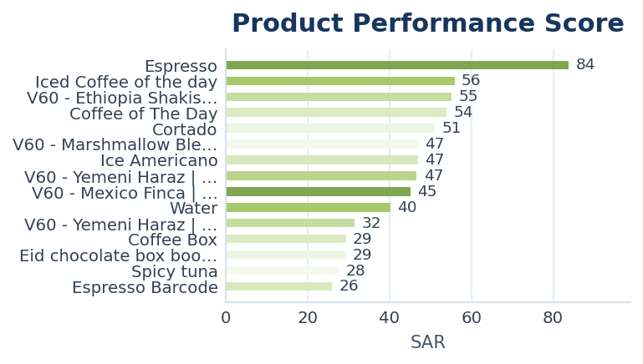
Net Net Income | Net Revenue | Cashback_Used | Commission Rate | Commission Base | Net Amount | Net Income | Net_Net_Income | Net_Revenue | Cashback Dependency % | Net Margin % | Refund Risk | Product Refund Amount | Product Score | Product Category
742.2 | 742.2 | 497.00 | 0.01 | Cash Revenue | 742.2 | 742.2 | 742.2 | 742.2 | 39.87% | 99.00% | 0.00% | 0 | 83.82 | Strong Product
406.97 | 406.97 | 295.08 | 0.01 | Cash Revenue | 406.97 | 406.97 | 406.97 | 406.97 | 41.79% | 99.00% | 1.46% | 6 | 55.94 | Stable Product
540.81 | 540.81 | 292.07 | 0.01 | Cash Revenue | 540.81 | 540.81 | 540.81 | 540.81 | 34.84% | 99.00% | 9.96% | 54.4 | 55.26 | Stable Product
426.47 | 426.47 | 236.85 | 0.01 | Cash Revenue | 426.47 | 426.47 | 426.47 | 426.47 | 35.48% | 99.00% | 4.64% | 20 | 53.94 | Stable Product
415.91 | 415.91 | 246.50 | 0.02 | Cash Revenue | 415.91 | 415.91 | 415.91 | 415.91 | 36.74% | 98.00% | 0.00% | 0 | 51.19 | Stable Product
388.65 | 388.65 | 296.08 | 0.01 | Cash Revenue | 388.65 | 388.65 | 388.65 | 388.65 | 42.99% | 99.00% | 4.59% | 18 | 47.04 | Stable Product
356.97 | 356.97 | 185.42 | 0.01 | Cash Revenue | 356.97 | 356.97 | 356.97 | 356.97 | 33.96% | 99.00% | 3.74% | 13.5 | 46.94 | Stable Product
399.6 | 399.6 | 195.74 | 0.01 | Cash Revenue | 399.6 | 399.6 | 399.6 | 399.6 | 32.66% | 99.00% | 0.00% | 0 | 46.69 | Stable Product
371.94 | 371.94 | 173.80 | 0.01 | Cash Revenue | 371.94 | 371.94 | 371.94 | 371.94 | 31.63% | 99.00% | 0.00% | 0 | 45.16 | Stable Product
272.42 | 272.42 | 247.04 | 0.02 | Cash Revenue | 272.42 | 272.42 | 272.42 | 272.42 | 47.05% | 98.00% | 1.80% | 5 | 40.20 | Cashback Driven
202.66 | 202.66 | 67.04 | 0.01 | Cash Revenue | 202.66 | 202.66 | 202.66 | 202.66 | 24.67% | 99.00% | 0.00% | 0 | 31.58 | Stable Product
190.57 | 190.57 | 40.00 | 0.01 | Cash Revenue | 190.57 | 190.57 | 190.57 | 190.57 | 17.20% | 99.00% | 0.00% | 0 | 29.35 | Stable Product
150.97 | 150.97 | 0.00 | 0.01 | Cash Revenue | 150.97 | 150.97 | 150.97 | 150.97 | 0.00% | 99.00% | 0.00% | 0 | 29.24 | Stable Product
162.73 | 162.73 | 120.00 | 0.01 | Cash Revenue | 162.73 | 162.73 | 162.73 | 162.73 | 42.20% | 99.00% | 0.00% | 0 | 27.70 | Stable Product
152.12 | 152.12 | 127.09 | 0.01 | Cash Revenue | 152.12 | 152.12 | 152.12 | 152.12 | 45.27% | 99.00% | 0.00% | 0 | 26.01 | Cashback Driven
146.52 | 146.52 | 109.00 | 0.01 | Cash Revenue | 146.52 | 146.52 | 146.52 | 146.52 | 42.41% | 99.00% | 0.00% | 0 | 25.81 | Stable Product
78.4 | 78.4 | 9.50 | 0.02 | Cash Revenue | 78.4 | 78.4 | 78.4 | 78.4 | 10.61% | 98.00% | 0.00% | 0 | 24.55 | Stable Product
108.68 | 108.68 | 67.25 | 0.01 | Cash Revenue | 108.68 | 108.68 | 108.68 | 108.68 | 37.99% | 98.99% | 0.00% | 0 | 23.31 | Stable Product
100.93 | 100.93 | 67.42 | 0.01 | Cash Revenue | 100.93 | 100.93 | 100.93 | 100.93 | 39.81% | 99.00% | 0.00% | 0 | 22.56 | Stable Product
104.45 | 104.45 | 44.50 | 0.01 | Cash Revenue | 104.45 | 104.45 | 104.45 | 104.45 | 29.67% | 99.00% | 0.00% | 0 | 22.26 | Stable Product
92.49 | 92.49 | 69.25 | 0.01 | Cash Revenue | 92.49 | 92.49 | 92.49 | 92.49 | 42.57% | 99.01% | 0.00% | 0 | 22.22 | Stable Product
83.82 | 83.82 | 61.00 | 0.01 | Cash Revenue | 83.82 | 83.82 | 83.82 | 83.82 | 41.88% | 99.00% | 0.00% | 0 | 22.09 | Stable Product
93.36 | 93.36 | 67.40 | 0.01 | Cash Revenue | 93.36 | 93.36 | 93.36 | 93.36 | 41.68% | 99.00% | 0.00% | 0 | 21.53 | Stable Product
21.76 | 21.76 | 0.00 | 0.02 | Cash Revenue | 21.76 | 21.76 | 21.76 | 21.76 | 0.00% | 98.02% | 0.00% | 0 | 21.23 | Stable Product
21.76 | 21.76 | 0.00 | 0.02 | Cash Revenue | 21.76 | 21.76 | 21.76 | 21.76 | 0.00% | 98.02% | 0.00% | 0 | 21.23 | Stable Product
49.5 | 49.5 | 10.00 | 0.01 | Cash Revenue | 49.5 | 49.5 | 49.5 | 49.5 | 16.67% | 99.00% | 0.00% | 0 | 21.17 | Stable Product
17.32 | 17.32 | 0.00 | 0.01 | Cash Revenue | 17.32 | 17.32 | 17.32 | 17.32 | 0.00% | 98.97% | 0.00% | 0 | 21.14 | Stable Product
106.92 | 106.92 | 80.00 | 0.01 | Cash Revenue | 106.92 | 106.92 | 106.92 | 106.92 | 42.55% | 99.00% | 0.00% | 0 | 21.06 | Stable Product
89.03 | 89.03 | 74.47 | 0.01 | Cash Revenue | 89.03 | 89.03 | 89.03 | 89.03 | 45.30% | 99.00% | 0.00% | 0 | 21.02 | Cashback Driven
12.87 | 12.87 | 0.00 | 0.01 | Cash Revenue | 12.87 | 12.87 | 12.87 | 12.87 | 0.00% | 99.00% | 0.00% | 0 | 20.87 | Weak Product
...

Bundle Suggestions
...
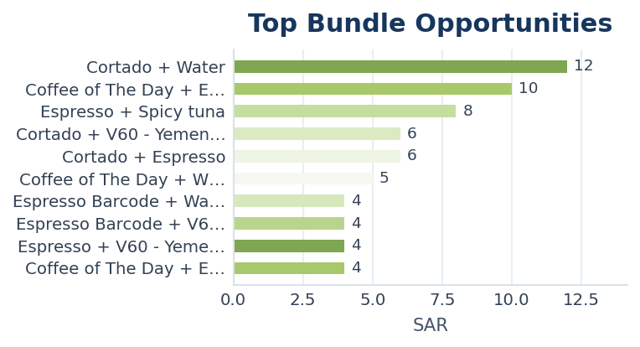
Product B | Orders | Total_Sales | Bundle Suggestion | Action
Water | 12.00 | 403 | Bundle Cortado + Water | Create combo offer, app placement, or cross-sell banner
Espresso | 10.00 | 580 | Bundle Coffee of The Day + Espresso | Create combo offer, app placement, or cross-sell banner
Spicy tuna | 8.00 | 354 | Bundle Espresso + Spicy tuna | Create combo offer, app placement, or cross-sell banner
V60 - Yemeni Haraz | Cold | 6.00 | 637 | Bundle Cortado + V60 - Yemeni Haraz | Cold | Create combo offer, app placement, or cross-sell banner
Espresso | 6.00 | 404 | Bundle Cortado + Espresso | Create combo offer, app placement, or cross-sell banner
Water | 5.00 | 524 | Bundle Coffee of The Day + Water | Create combo offer, app placement, or cross-sell banner
Water | 4.00 | 407 | Bundle Espresso Barcode + Water | Create combo offer, app placement, or cross-sell banner
V60 - Yemeni Haraz | HOT | 4.00 | 393 | Bundle Espresso Barcode + V60 - Yemeni Haraz | HOT | Create combo offer, app placement, or cross-sell banner
V60 - Yemeni Haraz | Cold | 4.00 | 382 | Bundle Espresso + V60 - Yemeni Haraz | Cold | Create combo offer, app placement, or cross-sell banner
Espresso Barcode | 4.00 | 380 | Bundle Coffee of The Day + Espresso Barcode | Create combo offer, app placement, or cross-sell banner
Water | 4.00 | 335 | Bundle Espresso + Water | Create combo offer, app placement, or cross-sell banner
Water | 4.00 | 198 | Bundle Molted Chocolate Cup + Water | Create combo offer, app placement, or cross-sell banner
V60 - Marshmallow Blend | Cold | 4.00 | 167 | Bundle Espresso + V60 - Marshmallow Blend | Cold | Create combo offer, app placement, or cross-sell banner
Sparking Water | 4.00 | 158 | Bundle Espresso + Sparking Water | Create combo offer, app placement, or cross-sell banner
Water | 4.00 | 146 | Bundle V60 - Ethiopia Shakiso | Cold + Water | Create combo offer, app placement, or cross-sell banner
Iced Coffee of the day | 4.00 | 98 | Bundle Espresso + Iced Coffee of the day | Create combo offer, app placement, or cross-sell banner
Sourdough Hallom | 3.00 | 378 | Bundle Sourdough Cheese + Sourdough Hallom | Create combo offer, app placement, or cross-sell banner
Sourdough Hallom | 3.00 | 352 | Bundle Coffee of The Day + Sourdough Hallom | Create combo offer, app placement, or cross-sell banner
Sourdough Hallom | 3.00 | 349 | Bundle Espresso Barcode + Sourdough Hallom | Create combo offer, app placement, or cross-sell banner
Water | 3.00 | 329 | Bundle Sourdough Hallom + Water | Create combo offer, app placement, or cross-sell banner
Spicy tuna | 3.00 | 309 | Bundle Hallom + Spicy tuna | Create combo offer, app placement, or cross-sell banner
Sourdough Turkey cheese | 3.00 | 303 | Bundle Sourdough Hallom + Sourdough Turkey cheese | Create combo offer, app placement, or cross-sell banner
Coffee of The Day | 3.00 | 231 | Bundle Cheese + Coffee of The Day | Create combo offer, app placement, or cross-sell banner
Water | 3.00 | 161 | Bundle Molted Pecan Cup + Water | Create combo offer, app placement, or cross-sell banner
Molted Pecan Cup | 3.00 | 142 | Bundle Coffee of The Day + Molted Pecan Cup | Create combo offer, app placement, or cross-sell banner
Spicy tuna | 3.00 | 126 | Bundle Sparking Water + Spicy tuna | Create combo offer, app placement, or cross-sell banner
Sourdough Cheese | 2.00 | 252 | Bundle Coffee of The Day + Sourdough Cheese | Create combo offer, app placement, or cross-sell banner
Water | 2.00 | 252 | Bundle Sourdough Cheese + Water | Create combo offer, app placement, or cross-sell banner
Sourdough Cheese | 2.00 | 249 | Bundle Espresso Barcode + Sourdough Cheese | Create combo offer, app placement, or cross-sell banner
...

Payment Cost Optimization
...
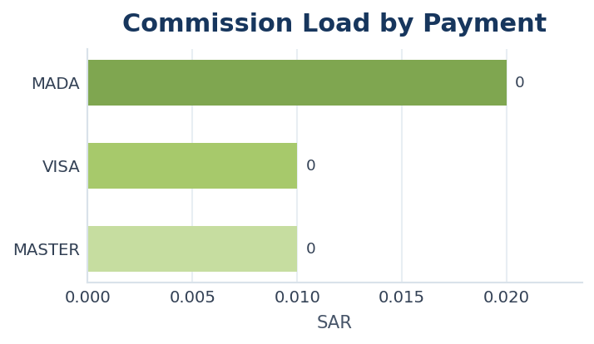
Cashback_Used | Bank_Commission | Net_Income | Net Net Income | Net Revenue | Total Sales | Commission Rate | Commission Base | Net Amount | Net Income | Net_Net_Income | Net_Revenue | Commission Load % | Estimated Saving if shifted to MADA 0.01 | Action
2703.5 | 86.07 | 4217.43 | 4217.43 | 4217.43 | 7007 | 0.02 | Cash Revenue | 4217.43 | 4217.43 | 4217.43 | 4217.43 | 2.00% | 43.03 | Normal
2058.1 | 33.89 | 3355.01 | 3355.01 | 3355.01 | 5447 | 0.01 | Cash Revenue | 3355.01 | 3355.01 | 3355.01 | 3355.01 | 1.00% | 0.00 | Normal
147 | 2.35 | 232.65 | 232.65 | 232.65 | 382 | 0.01 | Cash Revenue | 232.65 | 232.65 | 232.65 | 232.65 | 1.00% | 0.00 | Normal

